1.계정별원장(기간별)_woowon
Tester Name | Shannon 심연
Test server | https://acesitedev.ksystemace.com/
Client | Woowon우원기술
Program Seq | 60320111
Program Name | 계정별원장(기간별)_woowon

 |  |  |  |  |  |  |  |  |  | Solved
Test Case ID | Desc. | Start Date | End Date | Test Steps | Test Data | Expected Result | Actual Result | Status | Screenshot
inquiry-1 |  | 2024-05-14 | 2024-05-14 | 1. 회계일기간 변경하면서 전체 조회 1. inquiry while changing accounting period | 2024-01 ~ 2024-01 2024-01 ~ 2024-03 2024-01 ~ 2024-05 2024-01 ~ 2024-07 |  | 설정된 기간,설정된 계정의 원천전표 Source slip of Account within each period of inquiry | PASS
inquiry-2 |  | 2024-05-14 | 2024-05-14 | 1. 회계일기간 변경하면서 전체 조회 1. inquiry while changing accounting period | 2024-01 ~ 2024-02 2024-01 ~ 2024-04 2024-01 ~ 2024-06 |  | Error occurred | ERROR | 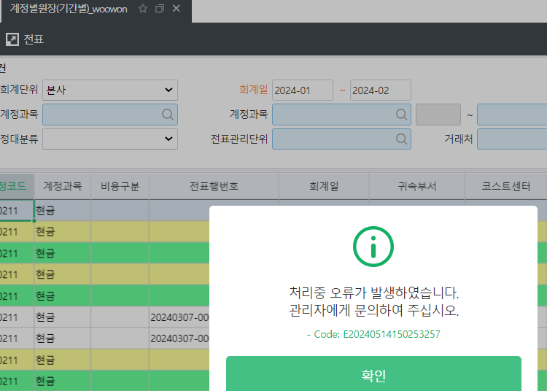 | OK
inquiry-3 |  | 2024-05-14 | 2024-05-14 | 1. input 'account' inquiry | test account: 보통예금 |  | Inquiry all the slip of account'보통예금' | PASS
inquiry-4 |  | 2024-05-14 | 2024-05-14 | 1. Double click the Journal Entry No. 1. 전표행번호 클릭 | 20240109-0004-001 |  | Move to the accounting slip screen normally | PASS
inquiry-5 |  |  |  | Select the value of 거래처 | 주식회사 신한테이타(주) |  | After clicking the inquiry, a notification message appears. Unable to proceed to next step | ERROR | 